Sheet1
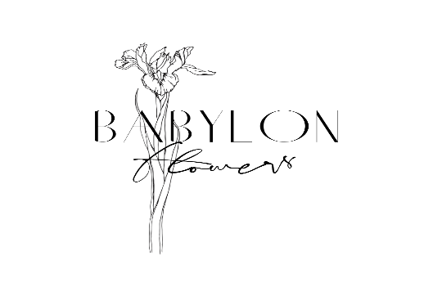

Babylon Flowers Ltd, The Stables, Chestnut Farm, Cuxham, Watlington, Oxon, OX49 5ND
www.babylonflowers.co.uk Tel: 07958119485

Availability w/c 29th April - 2024

Genus | Colours, height, general description | Height | Qty | Price (Per Stem) | TOTAL
Cowslips | Bright yellow meadow flowers | 15cm + |  | £0.25 | £-
Euphorobia Characias | Bright Yellow Green flowers with architectural stems | 60cm + |  | £0.80 | £-
Euphorbia Great Dixter | Orange euphorbia | 35cm + |  | £0.60 | £-
Euphorbia amygdaloides | Bright green more delicate euphorbia | 30cm |  | £0.25 | £-
Forget me nots | Tiny blue flowers on wayward stems | 15cm + |  | £0.30 | £-
Lilac Superba | Pale pink scented on | 30-40cm |  | £0.45 | £-
Lilac | Purple & pale pink coloured | 30cm |  | £0.70 | £-
 |  | 60cm + |  | £1.50 | £-
Persicaria bistorta 'Superba' | Pale pik bottle brush flowers on slender straight stems | 40cm + |  | £0.42 | £-
Polygonatum multiflorum | Solomon's seal | 40cm |  | £0.60 | £-
Ranunculus | Various colours | 35cm plus |  | £1.20 | £-
Smyrnium perfoliatum | Yellow/green flowers on strong hollow stem - looks like cow parsley strong flower stems | 45cm + |  | £0.55 | £-
Spring foliage | Cotinus, white beam, various | 35cm - 60cm |  | £0.42 | £-
Sweet rocket | Scented phlox like white and blush pink flowers | 45cm + |  | £0.55 | £-

Please e-mail all orders too juliet@babylonflowers.co.uk
Orders need to be confirmed two days before collection/delivery.
All orders need to be paid before collection unless you are a monthly account holder, please use invoice no as reference in bank transfers

